SORTING AND FILTERING
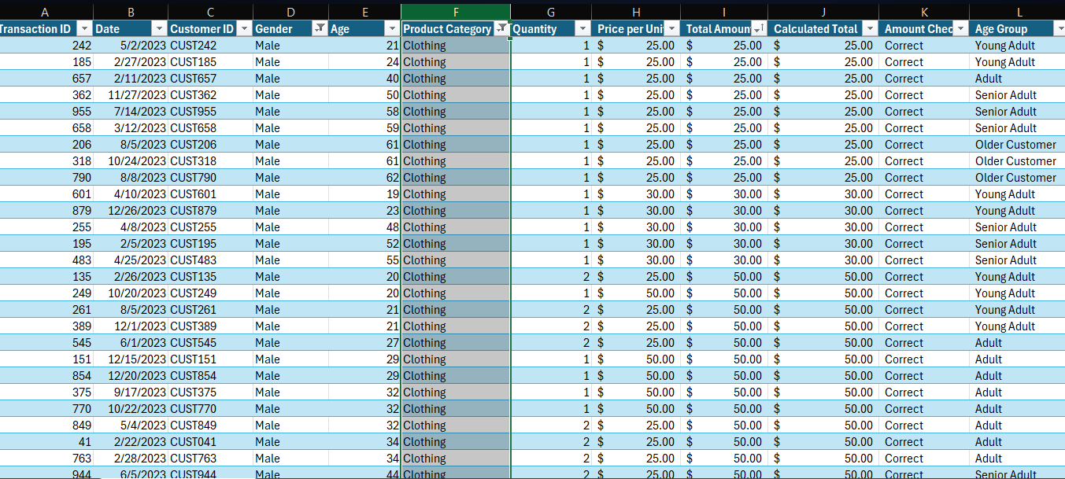
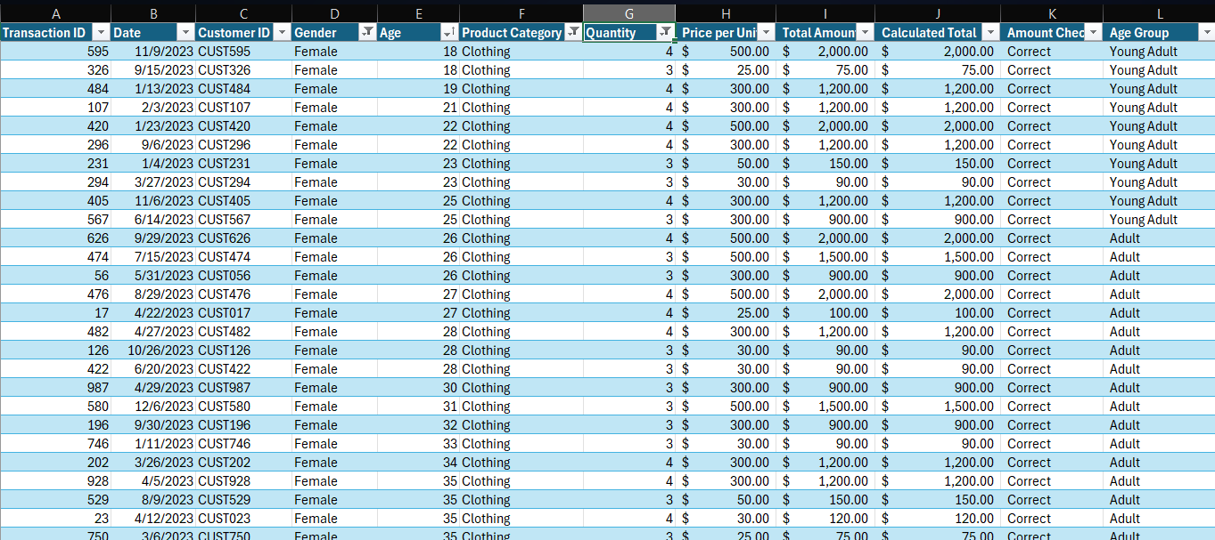
Question1 : Apply Sorting on Total Amount from Highest to Lowest values | Question 4: Show Only where gender is Female

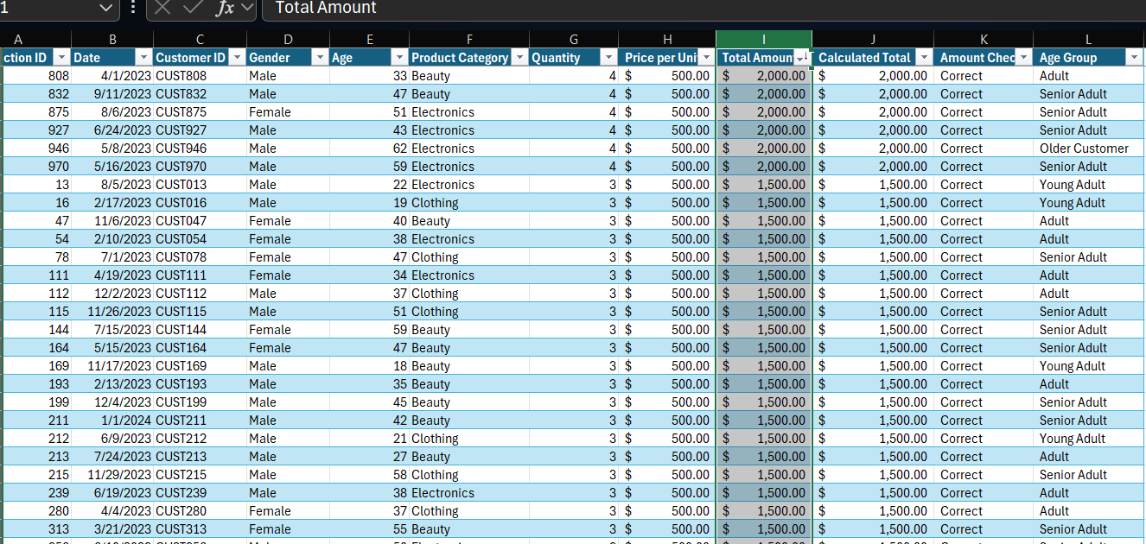
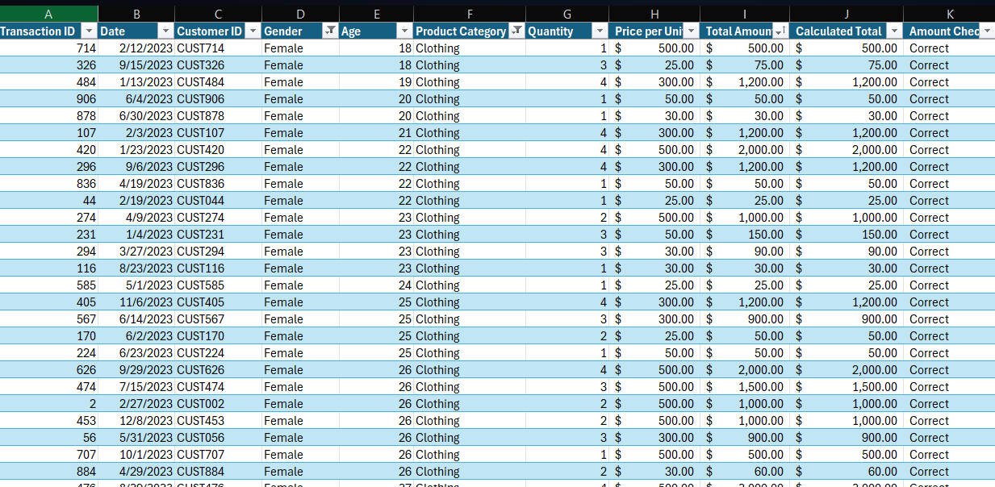

Question 2: Apply Sorting on Total Amount from Lowesr to highest values
 | Question 5 :Show Only transactions where Quantity is greater than 2

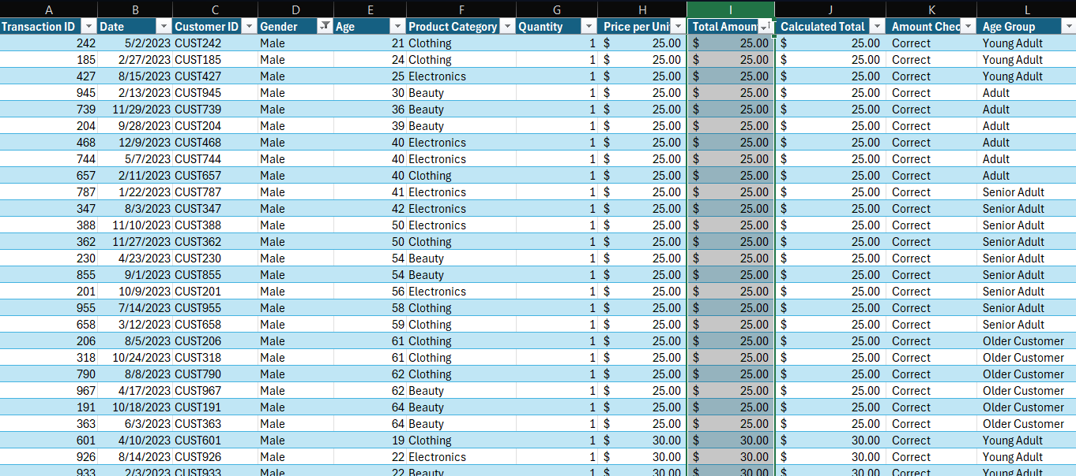
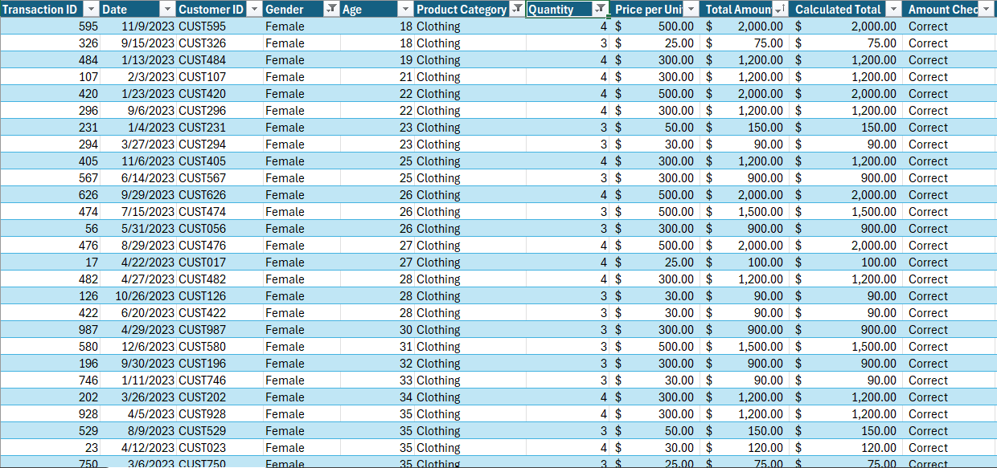

Question 3 : Show Only Transaction where Product Category is Clothing | Question 6: Sort the Customer from youngest to oldest

Charts
Total Sales by Categories
 |  | Total Sales
Beauty |  | 143515
Electronics |  | 156905
Clothing |  | 155580
Quantity Sold by Categories
 |  | Total Sales
Beauty |  | 771
Electronics |  | 849
Clothing |  | 894

 | Total Sales
Male | 223160
Female | 232840

